Skewness
Exercise
Dataset 1 |  |  | Dataset 2 |  |  |  |  | Dataset 3
1 |  |  | 1 |  |  |  |  | 1
1 |  |  | 1 |  |  |  |  | 2
3 |  |  | 2 |  |  |  |  | 3
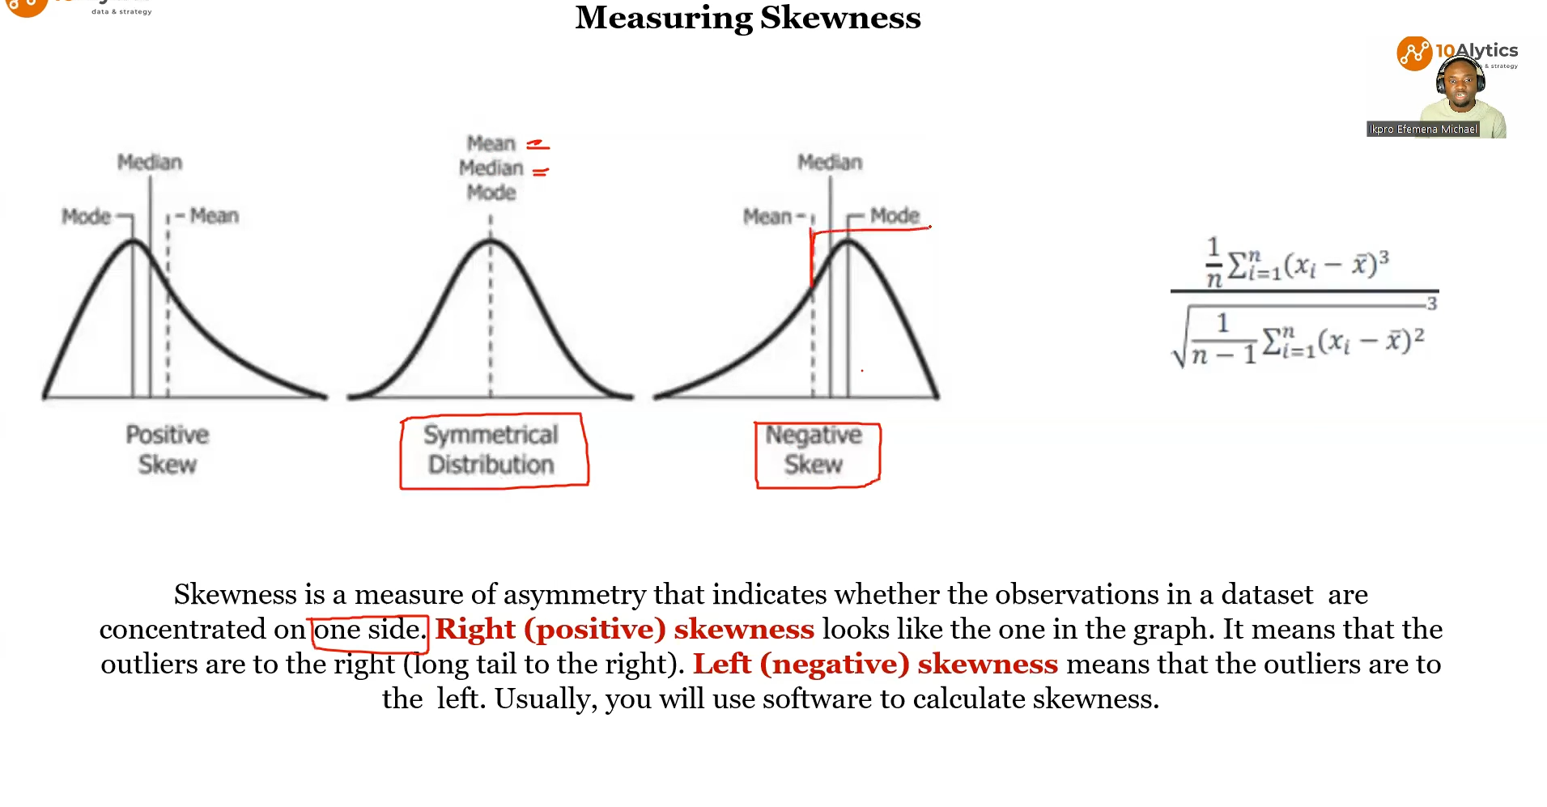
3 |  |  | 2 |  |  |  |  | 3
2 |  |  | 3 |  |  |  |  | 4
2 |  |  | 3 |  |  |  |  | 4
2 |  |  | 3 |  |  |  |  | 4
2 |  |  | 4 |  |  |  |  | 5
2 |  |  | 4 |  |  |  |  | 5
2 | Mean | 3 | 4 | Mean | 4 |  |  | 5 | Mean | 4.9
3 | Median | 2 | 4 | Median | 4 |  |  | 5 | Median | 5
3 | Mode | 2 | 4 | Mode | 4 |  |  | 6 | Mode | 6
1 |  |  | 5 |  |  |  |  | 6
1 |  |  | 5 |  |  |  |  | 6
4 |  |  | 5 |  |  |  |  | 6
4 |  |  | 6 |  |  |  |  | 6
5 |  |  | 6 |  |  |  |  | 6
5 |  |  | 7 |  |  |  |  | 7
7 |  |  | 7 |  |  |  |  | 7
 |  |  |  |  |  |  |  | 7

Class Work
Dataset 1 |  |  |  |  |  | Dataset 2
212 | Bin |  |  |  |  | 586 | Bin
869 |  |  |  |  |  | 760
220 |  |  |  |  |  | 495
654 |  |  |  |  |  | 678
511 |  |  |  |  |  | 559
624 |  |  |  |  |  | 415
420 |  |  |  |  |  | 370
121 |  |  |  |  |  | 659
428 |  |  |  |  |  | 119
865 |  |  |  |  |  | 288
799 |  |  |  |  |  | 241
405 |  |  |  |  |  | 787
230 |  |  |  |  |  | 522
670 |  |  |  |  |  | 207
870 |  |  |  |  |  | 160
366 |  |  |  |  |  | 526
99 |  |  |  |  |  | 656
55 |  |  |  |  |  | 848
489 |  |  |  |  |  | 720
312 |  |  |  |  |  | 676
493 |  |  |  |  |  | 581
163 |  |  |  |  |  | 929
221 |  |  |  |  |  | 653
84 |  |  |  |  |  | 661
144 |  |  |  |  |  | 770
48 |  |  |  |  |  | 800
375 |  |  |  |  |  | 529
86 |  |  |  |  |  | 975
168 |  |  |  |  |  | 995
100 |  |  |  |  |  | 947

